Nuclear
Source: https://www.clp.com.hk/en/community-and-environment/green-tools/energy-costs

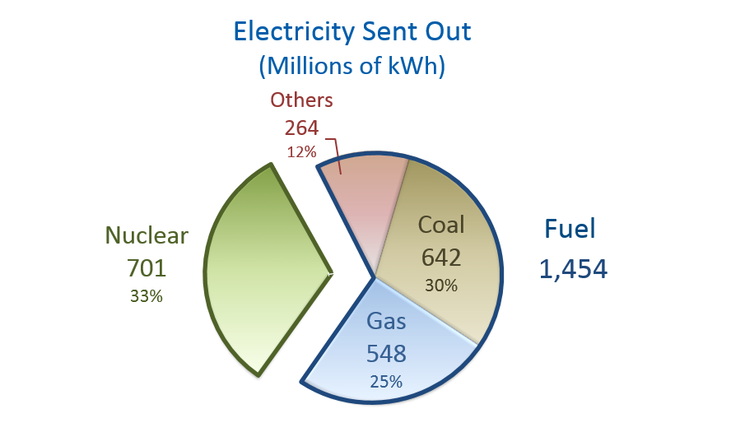

 |  |  | Total energy nuclear: |  | 701000000 | kWh
 |  |  |  |  | 2.3919112908E+12 | BTU

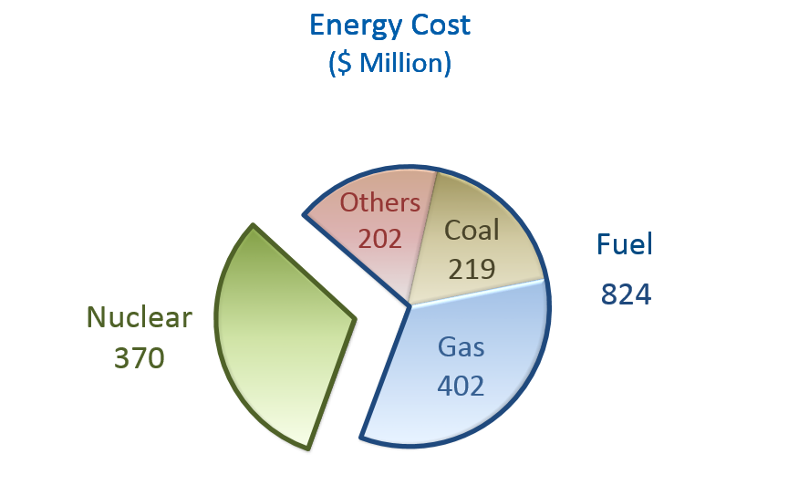

 |  |  | Energy cost nuclear: |  | 370000000 | HK$
 |  |  |  |  | 47278303.092 | US$

 |  |  |  | price per BTU: | 1.9765909913E-05
 |  |  |  | for final electricity

 |  |  |  | A nuclear power plant has an efficiency of about: |  |  | 33.00% | Source: | http://holbert.faculty.asu.edu/eee463/NuclearPowerPlants.pdf

 |  |  | à | price per BTU: | 6.5227502712E-06
 |  |  |  | for primary energy

 |  |  |  | this is about 9 times of the price of nuclear in the US, a substantial difference.
 |  |  |  | This might be because CLP has to lease the power from a Chinese power plant (Daya bay) and has to pay for transmission costs across the border.

 | Note on Nuclear cost:
 |  | Total energy cost comprises the cost of nuclear electricity and the cost of fuel. Nuclear is purchased in the form of electricity and CLP pays for it as part of our operating costs, which are recovered through the basic tariff. Fuel used in our power stations (i.e. coal, gas and others) is charged through the basic tariff and the Fuel Cost Adjustment mechanism.

 |  | In IMFPbFT it notes:
 |  | Nuclear here refers to nuclear fuel, i.e. uranium oxide, not electricity from nuclear plants.

